achtergrondinformatie
Note cat. 2 employers

The purpose of this tool is to obtain a global estimate of the employer's costs for engaging an artistic collaborator. It is a simplified tool. Below we show which costs have been included and which discounts have been applied.

 | 2021
a/ Basic social security | 38.91%
Explanation blue-collar worker equivalence
Artists are always subject to the annual holiday provisions that apply to blue-collar workers, even if they have white-collar status. The making equivalent of certain grounds for suspension of the blue-collar or apprenticeship agreement for the calculation of the number of holidays to which the artists are entitled. Which is why we have opted to apply the blue-collar social security contribution of 5.57% in our calculation.

b/ Social security contributions
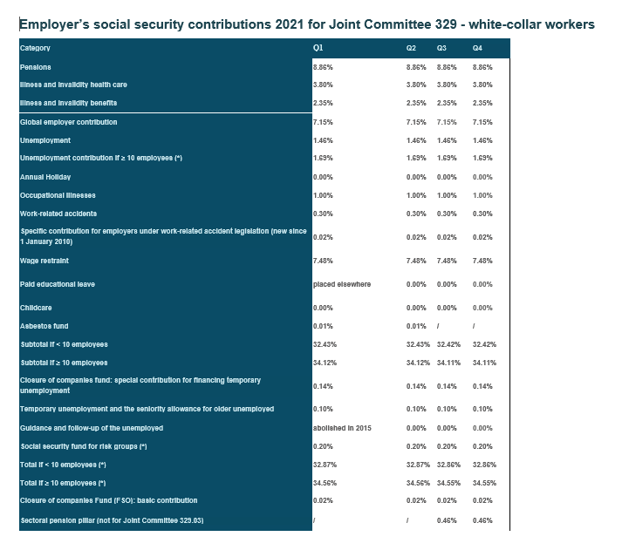
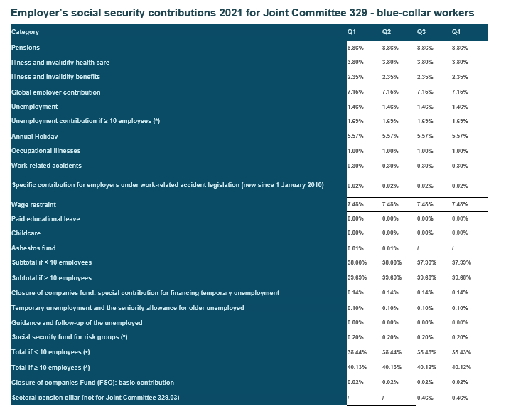

Source: https://www.sociare.be/kennisbank/overzicht-rsz-werkgeversbijdragen

c/ Extra social security if at least 10 employees (average number in reference period): to be filled in manually
 | 1.69%

d/ Annual holiday
We have opted for artists who fall under the annual holiday scheme, in which case their wages for the legal holiday period are paid through the intervention of the National Office for Annual Holidays or the holiday fund. Since it concerns a wage paid by third parties, the employer must also pay contributions on the amount of the ordinary holiday allowance. Therefore, it is fixed at 8% of all sums.

e/ Calculation of gross wage. The calculations for this are as follows:

(Monthly wage x 3) : 13 weeks = weekly wage ((Monthly wage x 3) : 13 weeks) : 5 days = daily wage ((Monthly wage x 3) : 13 weeks) : weekly working hours for full-time employee (38 hours) = hourly wage

SOCIAL SECURITY DISCOUNTS

a/ Extra social security discount low wages

extra social security discount for low wages = up to a maximum of € 7741.8 gross quarterly wage in 2021 = 2580.56/month

79 + 0.2557 x (7,896.64 – S) + 0.06 x (W – 13,785.10)
formula R = F + α x (S0 – S) + δ x (W – S1).
source https://www.vlaio.be/nl/subsidies-financiering/subsidiedatabank/structurele-vermindering
source: https://www.socialsecurity.be/employer/instructions/dmfa/nl/latest/instructions/deductions/structuralreduction_targetgroupreductions/structuralreduction.html

In the context of this tool, we assume a full-time employee, working full hours. For a full-time employee working full hours, S = W. Your payroll services firm can examine the further calculation if it concerns part-time employment or less than full hours worked.

b/ Target group reduction for artists
 | 726.50 € | quarterly

Both artists who are bound by an employment contract, and artists not bound by an employment contract who provide artistic services for a wage and/or produce artistic works on commission for a fee are eligible for the reduction. The reference quarterly wages of the artist are at least 3 times the guaranteed average minimum monthly income valid for the 1st month of the quarter. From the 2nd quarter of 2020, this lower limit is therefore EUR 4,877.16.

We have applied this for our calculation (full-time equivalent), which can amount to a maximum of 517 euros per quarter.

Source: https://www.socialsecurity.be/employer/instructions/dmfa/nl/latest/instructions/deductions/structuralreduction_targetgroupreductions/artists.html

c/ Social Maribel

Can only be applied to employees who are employed at least part-time and who are covered by all social security schemes. For each employee claiming the right to the social Maribel scheme (for promoting employment in the non-profit sector), the total amount of employer's contributions available for the other reductions must be reduced in advance by the integral fixed amount of the social Maribel. This amount is 504.1 euros. Given the scope of the tool, we have not included this.

d/ Initial hirings

Via this federal target group reduction, new employers can enjoy an almost complete exemption from the basic social security employer contributions for the first employee, without limitation in time. For the following five employees, this target group reduction grants a specific reduction of € 1550 to € 450, limited to a maximum of 13 quarters. This measure also provides for an intervention in the costs of the payroll services firm. Given the scope of the tool, we have not included this.

Disclaimer: this tool gives only an indication of the expected wage costs. The working group has done its best to prepare the tool as carefully as possible, but it cannot guarantee the completeness or correctness of the data. Actual wage costs may differ, for example due to indexation, changes in the law, etc. In order to make the tool as user-friendly as possible, it has been decided to include a number of costs.

e/ VAT
VAT can make a difference in a budget. The partners make clear arrangements in advance concerning whether the figures include or exclude VAT. Depending on the activity and employment status, 6% or 21% VAT can be charged. Consult a bookkeeper to determine whether you meet these conditions. We briefly indicate when 6% or 21% VAT is applied.

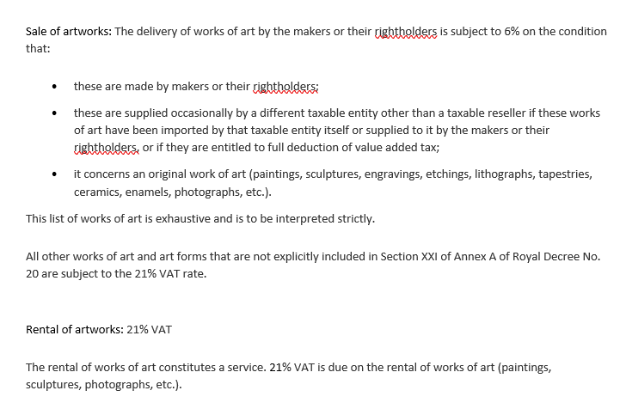

f/ Organisations to contact

Flanders arts institute | https://www.kunsten.be/
Cultuurloket | www.cultuurloket.be

g/ Last revision: 7 October 2021

